Template - Phase 2
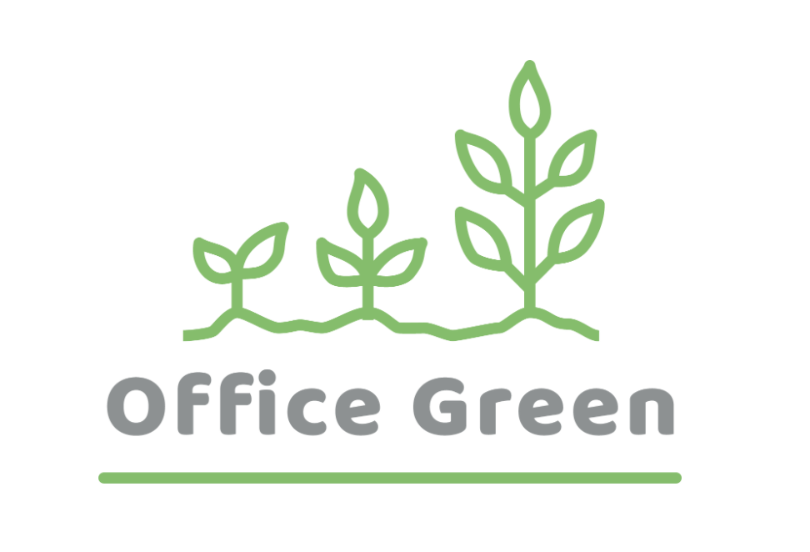
R - Responsible | Completes the deliverable or task.
A - Accountable | Makes final decisions and signs off on task completion. Only 1 per task.
C - Consulted | An advisor, stakeholder, or subject matter expert who offers guidance before an action is taken.
I - Informed | Kept up to date on decisions made.
Plant Pals Landing Page | Role A | Role B | Role C | Role D | Role E | Role F
PHASE 2
Task/Deliverable
1. Task/Deliverable
2. Task/Deliverable
3. Task/Deliverable
4. Task/Deliverable
5. Task/Deliverable
6. Task/Deliverable

